Uprise Art
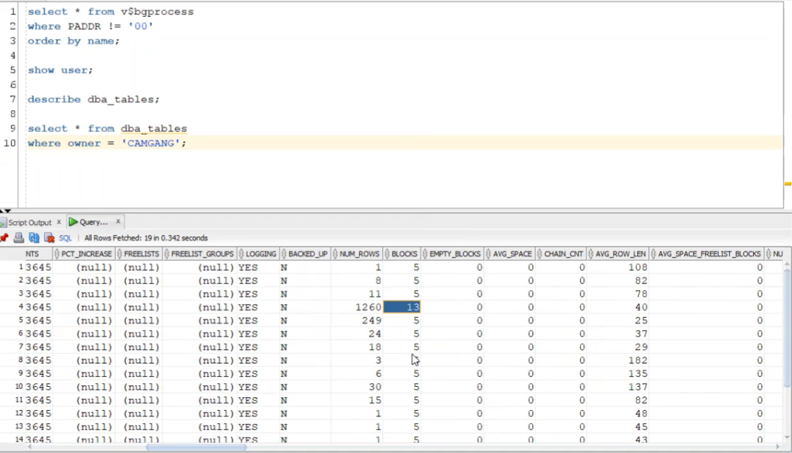
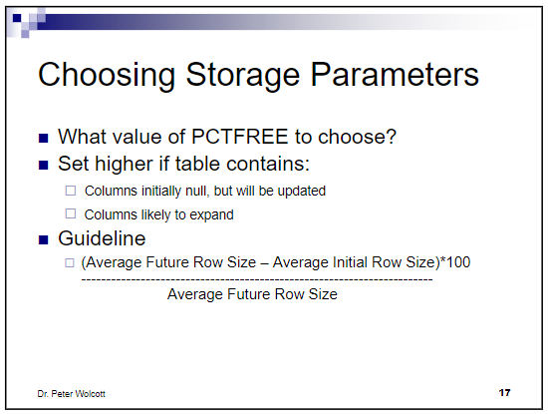
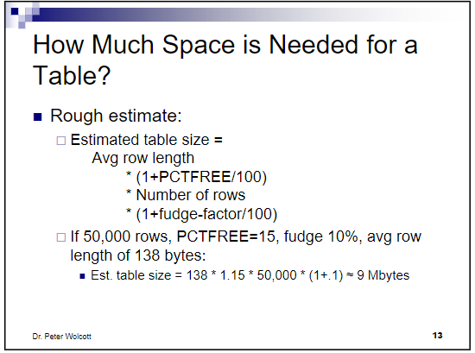
Table | initial row size (AVG_ROW_LEN) | Expansion | PCTFREE (calculated) | PCTFREE (value used) | Amount of current information (number of rows) | Growth per year (number of rows) | Growth per half year (number of rows) | fudge factor | Est. Table size (bytes) | Est. table size (KB) | Est. 1/2 yr. growth (bytes) | Est. 1/2 year growth (KB) | INITIAL EXTENT SIZE ( KB) | NEXT extent size (KB) | NEXT extent size (MB)
BC_ACCOUNT | 94 | 2 | 2.08% | 5 | 8,000,000 | 1,000,000 | 500,000 | 10 | 868,560,000 | 848,203 | 54285000 | 53,013 | 851968.000 | 65536 | 64
BC_BICYCLE | 78 | 0 | 0.00% | 0 | 162,000 | 2,500 | 1,250 | 10 | 13,899,600 | 13,574 | 107250 | 105 | 13696.000 | 128 | 0.125
BC_BICYCLE_STATUS | 40 | 2 | 4.76% | 5 | 640,000,000 | 464,000,000 | 232,000,000 | 10 | 29,568,000,000 | 28,875,000 | 10718400000 | 10,467,188 | 33554432.000 | 16777216 | 16384
BC_COUNTRY | 25 | 0 | 0.00% | 0 |  |  | - | 10 | - | 0 | 0 | - | #NUM! | #NUM! | #NUM!
BC_DOCK | 37 | 0 | 0.00% | 0 | 259,200 | 4,000 | 2,000 | 10 | 10,549,440 | 10,302 | 81400 | 79 | 10368.000 | 128 | 0.125
BC_MEMBERSHIP | 29 | 1 | 3.33% | 5 | 16,000,000 | 2,000,000 | 1,000,000 | 10 | 535,920,000 | 523,359 | 33495000 | 32,710 | 524288.000 | 32768 | 32
BC_PASS | 180 | 0 | 0.00% | 0 | 97,200 | 30 | 15 | 10 | 19,245,600 | 18,795 | 2970 | 3 | 18816.000 | 64 | 0.0625
BC_PROGRAM | 135 | 0 | 0.00% | 0 | 648 | 10 | 5 | 10 | 96,228 | 94 | 743 | 1 | 128.000 | 64 | 0.0625
BC_STATION | 138 | 0 | 0.00% | 0 | 32,400 | 500 | 250 | 10 | 4,918,320 | 4,803 | 37950 | 37 | 4864.000 | 64 | 0.0625
BC_TRIP | 77 | 8 | 9.41% | 10 | 160,000,000 | 116,000,000 | 58,000,000 | 10 | 14,907,200,000 | 14,557,813 | 5403860000 | 5,277,207 | 16777216.000 | 8388608 | 8192

Tablespace name | NEXT EXTENT size | Tables to place in this tablespace

 |  |  |  |  |  |  |  |  |  |  |  | =

